1. Title Page
Instacart Basket Analysis

Project Name: Instacart Grocery Basket Analysis & Review
Date: November 29th, 2023
Analyst Name: Jesse Holmes

Contents:
Population Flow
Consistency checks
Wrangling steps
Column derivations
Visualizations
Recommendations

2. Population Flow
Title page

Population flow

Exclusion flag
Condition: max_order < 5
Obervations to be removed: 31404859
Final total count of order_products_all: 1,000,000
Note: We are using a subset of the data that includes 1,000,000 randomly selected rows

Orders_products_combined
Orders_products_merged
Orders_products_all

Total: 32404859
Total: 32434489
Total: 1,000,000

1.) The grey boxes in the first row of the population flow represent the original data sets as they were when you downloaded them. In the Total fields you need to add the count of the rows when you imported the data set into Jupyter.
2.) The second row of boxes (coloured) represents the data sets after you manipulated them, e.g., removed missing values and duplicates. In the Total fields you need to add the count of the rows after conducting these operations. This offers a visual oveview of how the data flows throughout the data consistency checks.
3.) The third row, where also the arrows are coloured, represents the merges you performed between the datasets. In the Total fields you need to add the count of the rows in the merged datasets, so that you end up with the final dataset (in the red box). Keep in mind the final dataset should be without exclusions (based on the exclusion flag).

3. Consistency checks
 |  |  |  | Title page
Consistency checks

Dataset | Missing values | Missing values treatment | Duplicates
orders | 206,209 missing values in 'days_since_prior_order' | Values were imputed as '0', as it is assumed these are first time orders with no prior history | No duplicate rows found
products | 16 values in 'product_name' column | 16 missing values removed | 5 duplicated rows removed
orders_products_prior | No missing values found | N/A | No duplicate rows found
customers | 11,259 missing values in 'first_name' column | Replaced with 'Unknown' to fix mixed-type data | No duplicate rows found

4. Wrangling steps
 |  |  |  | Title page
Wrangling steps

Columns dropped | Columns renamed | Columns' type changed | Comment/Reason
eval_set column dropped from orders |  |  | Not needed
first_name and last_name removed from customers |  |  | Remove PII data, each customer has a unique ID so names are not necessary
Unnamed: 0 |  |  | Not needed
 | order_dow to "orders_day_of_week" |  | Easier to understand
 | 'days_since_prior_order' to 'days_since_last_order' |  | Easier to understand
 | First Name |  | Changed to 'first_name' for consistency across column headings
 | Surnam |  | Changed to 'last_name' for clarity and consistency
 | Gender |  | Consistency
 | STATE |  | Consistency
 | Age |  | Consistency
 | n_dependants |  | changed to 'number_of_dependants' for clarity and consistency
 | fam_status |  | changed to 'marital_status' for clarity and consistency
 |  | user_id | changed to string 'str' to make consistent for merge

5. Column derivations
 |  |  |  | Title page

Column derivations and aggregations

In this tab you should add tables below that the frequences of flags/label variables that you produced after deriving them. NB: don't do this for continuous variables, only for flags.
Dataset | New column | Column/s it was derived from | Conditions
Orders | time_of_order | order-hour-of-day | df_ords.rename(columns = {'order_hour_of_day' : 'time_of_order'}, inplace = True)
Orders Products Merged | price_range | prices | # defining the 'Price_label' function def price_label(row): if row['prices'] <= 5: return 'Low-range product' elif (row['prices'] > 5) and (row['prices'] <= 15): return 'Mid-range product' elif row['prices'] > 15: return 'High range' else: return 'Not enough data'
Orders Products Merged | price_range_loc | prices | #create new conditions df_opm.loc[df_opm['prices'] > 15, 'price_range_loc'] = 'High-range product' df_opm.loc[(df_opm['prices'] <= 15) & (df_opm['prices'] > 5), 'price_range_loc'] = 'Mid-range product' df_opm.loc[df_opm['prices'] <= 5, 'price_range_loc'] = 'Low-range product'
Orders Products Merged | busiest_day | orders_day_of_week | #Create new column 'busiest day' using for-loop result = [] for value in df_opm["orders_day_of_week"]: if value == 0: result.append("Busiest day") elif value == 4: result.append("Least busy") else: result.append("Regularly busy")
Orders Products Merged | busiest_days | orders_day_of_week | #2 - Create new if-statement for-loop for new requirements result_v2 = [] for value in df_opm["orders_day_of_week"]: if value == 0 or value == 1: result_v2.append("Busiest days") elif value == 4 or value == 3: result_v2.append("Least busy days") else: result_v2.append("Regularly busy")
Orders Products Merged | busiest_period_of_day | time_of_order | # Create a for-loop if statement hour_of_day = [] for value in df_opm["time_of_order"]: if value in [10, 11, 14, 15, 13, 12, 16, 9]: hour_of_day.append("Most orders") elif value in [23, 6, 0, 1, 5, 2, 4, 3]: hour_of_day.append("Fewest orders") else: hour_of_day.append("Average orders")
Orders Products Merged | max_order | user_id & order_number | # Create a for-loop if statement hour_of_day = [] for value in df_opm["time_of_order"]: if value in [10, 11, 14, 15, 13, 12, 16, 9]: hour_of_day.append("Most orders") elif value in [23, 6, 0, 1, 5, 2, 4, 3]: hour_of_day.append("Fewest orders") else: hour_of_day.append("Average orders")
Orders Products Merged | loyalty_flag | max_order | df.loc[df['max_order'] > 40, 'loyalty_flag'] = 'Loyal customer' , df.loc[(df['max_order'] <= 40) & (df['max_order'] > 10), 'loyalty_flag'] = 'Regular customer', df.loc[df['max_order'] <= 10, 'loyalty_flag'] = 'New customer'
Orders Products Merged | average_price | user_id & prices | df['average_price'] = df.groupby(['user_id'])['prices'].transform(np.mean)
Orders Products Merged | spending_flag | average_price | df.loc[df['average_price'] < 10, 'spending_flag'] = 'Low spender', df.loc[df['average_price'] >= 10, 'spending_flag'] = 'High spender'
Orders Products Merged | median_orders | user_id & days_since_prior_order | df['median_orders'] = df.groupby(['user_id'])['days_since_prior_order'].transform(np.median), df.loc[df['median_orders'] > 20, 'order_frequency_flag'] = 'Non-frequent customer', df.loc[(df['median_orders'] > 10) & (df['median_orders'] <= 20), 'order_frequency_flag'] = 'Regular customer', df.loc[df['median_orders'] <= 10, 'order_frequency_flag'] = 'Frequent customer'
Orders Products Merged | order_frequency_flag | median_orders | df.loc[df['median_orders'] > 20, 'order_frequency_flag'] = 'Non-frequent customer', df.loc[(df['median_orders'] > 10) & (df['median_orders'] <= 20), 'order_frequency_flag'] = 'Regular customer', df.loc[df['median_orders'] <= 10, 'order_frequency_flag'] = 'Frequent customer'
Orders Products Customers Merged | region | state | df.loc[df['state'].isin(Northeast), 'region'] = 'Northeast', df.loc[df['state'].isin(Midwest), 'region'] = 'Midwest', df.loc[df['state'].isin(South), 'region'] = 'South', df.loc[df['state'].isin(West), 'region'] = 'West'
Orders Products Customers Merged | activity_flag | max_order | df.loc[df['max_order'] < 5, 'activity_flag'] = 'low activity', df.loc[df['max_order'] >= 5, 'activity_flag'] = 'active customer', df_low_activity = df[df['activity_flag'] =='low activity'], df_active_customers = df[df['activity_flag'] =='active customer']
Orders Products Customers Merged | age_group | age | df_active_customers.loc[(df_active_customers['age'] >= 18) & (df_active_customers['age'] <= 29), 'age_group'] = '18-29 years old' , df_active_customers.loc[(df_active_customers['age'] >= 30) & (df_active_customers['age'] <= 44), 'age_group'] = '30-44 years old', df_active_customers.loc[(df_active_customers['age'] >= 45) & (df_active_customers['age'] <= 59), 'age_group'] = '45-59 years old', df_active_customers.loc[(df_active_customers['age'] >= 60) & (df_active_customers['age'] <= 81), 'age_group'] = '60-81 years old'
Orders Products Customers Merged | income_group | income | df_active_customers.loc[df_active_customers['income'] <= 66981, 'income_group'] = 'Low Income', df_active_customers.loc[(df_active_customers['income'] > 66981) & (df_active_customers['income'] <= 96753), 'income_group'] = 'Middle Income', df_active_customers.loc[df_active_customers['income'] > 96753, 'income_group'] = 'High Income'
Orders Products Customers Merged | dependants_group | n_dependants | # Creat dependants group in dataset df_active_customers.loc[df_active_customers['n_dependants'] == 0, 'dependants_group'] = 'No dependants', df_active_customers.loc[df_active_customers['n_dependants'] > 0, 'dependants_group'] = 'Has dependants'
Orders Products Customers Merged | family_profile | fam_status, dependants_group, gender | #Creating a 'family_profile' column in the dataset df_active_customers.loc[(df_active_customers['fam_status'] == 'married') & (df_active_customers['dependants_group'] == 'No dependants') & (df_active_customers['gender'] == 'Female'), 'family_profile'] = 'married female, no children', df_active_customers.loc[(df_active_customers['fam_status'] == 'married') & (df_active_customers['dependants_group'] == 'No dependants') & (df_active_customers['gender'] == 'Male'), 'family_profile'] = 'married male, no children', df_active_customers.loc[(df_active_customers['fam_status'] == 'married') & (df_active_customers['dependants_group'] == 'Has dependants') & (df_active_customers['gender'] == 'Female'), 'family_profile'] = 'married female with children', df_active_customers.loc[(df_active_customers['fam_status'] == 'married') & (df_active_customers['dependants_group'] == 'Has dependants') & (df_active_customers['gender'] == 'Male'), 'family_profile'] = 'married male with children', df_active_customers.loc[(df_active_customers['fam_status'].isin(['single','living with parents and siblings','divorced/widowed'])) & (df_active_customers['dependants_group'] == 'No dependants') & (df_active_customers['gender'] == 'Female'), 'family_profile'] = 'single female, no children', df_active_customers.loc[(df_active_customers['fam_status'].isin(['single','living with parents and siblings','divorced/widowed'])) & (df_active_customers['dependants_group'] == 'No dependants') & (df_active_customers['gender'] == 'Male'), 'family_profile'] = 'single male, no children', df_active_customers.loc[(df_active_customers['fam_status'].isin(['single','living with parents and siblings','divorced/widowed'])) & (df_active_customers['dependants_group'] == 'Has dependants') & (df_active_customers['gender'] == 'Female'), 'family_profile'] = 'single female with children', df_active_customers.loc[(df_active_customers['fam_status'].isin(['single','living with parents and siblings','divorced/widowed'])) & (df_active_c
Departments Wrangled | department | unnamed: 0 & department_id | df_active_customers = df_active_customers.merge(df_department, on = 'department_id')

6. Visualizations
 |  |  |  |  |  | Title page

Visualisations

 | Busiest Days of the Week |  |  |  |  |  |  |  | Busiest Hour of the Day
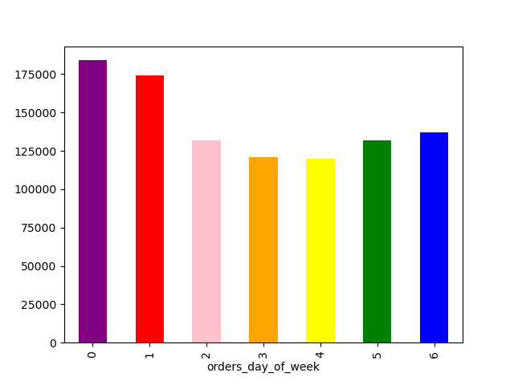
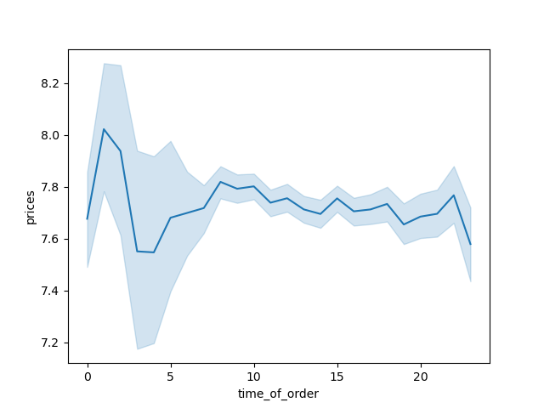

 |  |  |  | Days of the week:
 |  |  |  | 0 - Monday
 |  |  |  | 1 -Tuesday
 |  |  |  | 2 - Wednesday
 |  |  |  | 3 - Thursday
 |  |  |  | 4 - Friday
 |  |  |  | 5 - Saturday
 |  |  |  | 6 - Sunday

The sales team needs to know what the busiest days of the week and hours of the |  |  |  |  | They also want to know whether there are particular times of the day when people spend the most money, as this might inform the type of products they advertise at these times.
day are (i.e., the days and times with the most orders) in order to schedule ads at
times when there are fewer orders.

Response: Monday and Tuesday are the leaders. Saturday and Sunday are close behind them. |  |  |  |  |  |  | Response: There is a serious spike from midnight to 2AM. Likely, this is the late night snack/bar crowd ordering in. Snack food, and the like, should be used as targets for this time frame, as sales are already quite high.

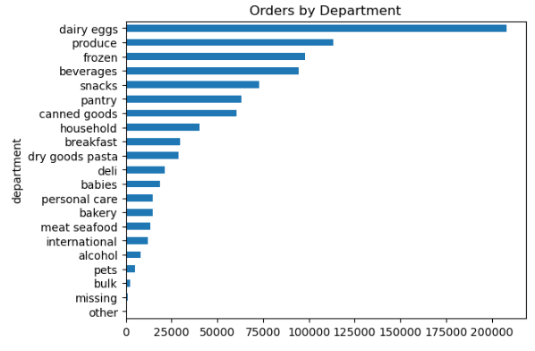
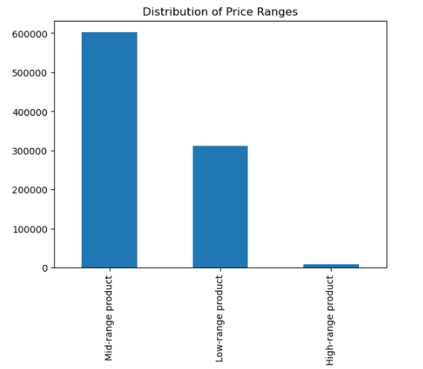

 |  |  |  |  |  |  |  |  |  | Are there certain types of products that are more popular than others? The marketing and sales teams want to know which departments have the highest frequency of product orders.

 |  |  |  |  |  |  |  |  |  | The top 7 performing departments are all consumable goods (food, drink, etc). They are considerably ahead of all other categories below them. It should be noted that the sales of Dairy/Eggs is more than 2nd and 3rd place combined.

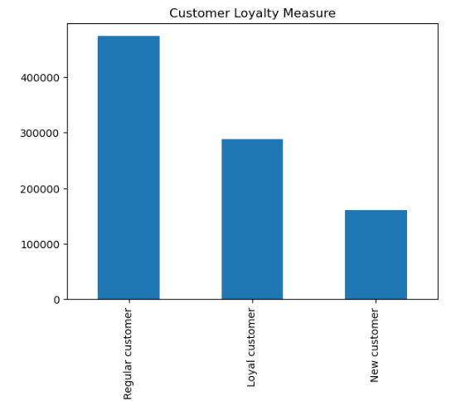

 |  |  |  |  | What’s the distribution among users in regards to their brand loyalty (i.e., how often do they return to Instacart)?

 |  |  |  |  | Instacart relies heavily on their 'Regular' and 'Loyal' customer base.

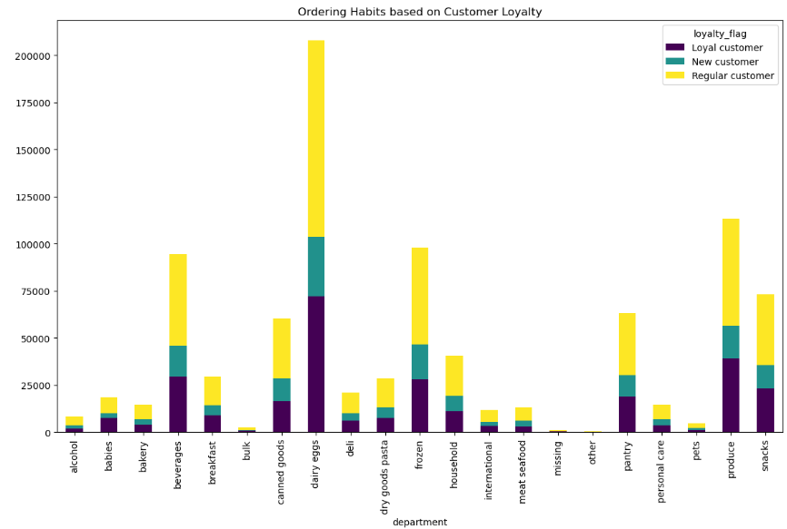

 |  | Are there differences in ordering habits based on a customer’s loyalty status?

 |  | Based on the analysis, I would say no, there is no difference in the habits of the customer base. The same departments we saw earlier as our top performers have an even distrobution amongst the customer base.

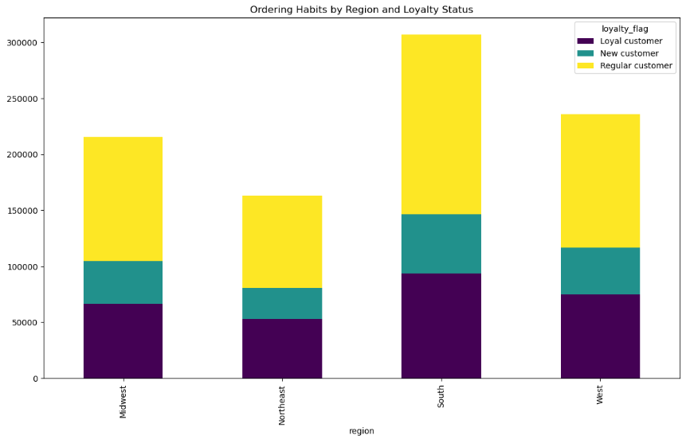

 |  |  |  |  |  |  |  | Are there differences in ordering habits based on a customer’s region?

 |  |  |  |  |  |  |  | Based on the analysis, I would say no. The breakdowns are incredibly similar amongst the 4 regions.

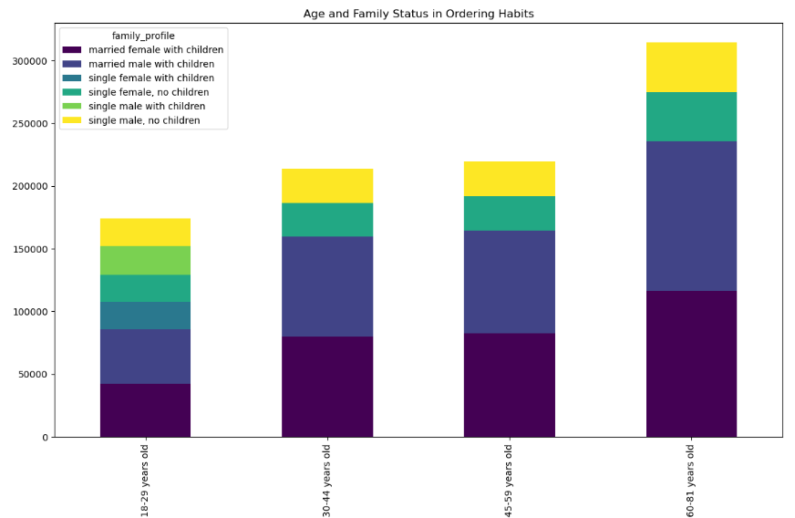

 |  |  | Is there a connection between age and family status in terms of ordering habits?

 |  |  | Yes, as the breakdown of spending amongst the demographics stays relatively close throughout the chart. The only real change I can take from this is just how much volume increases with the age limits.

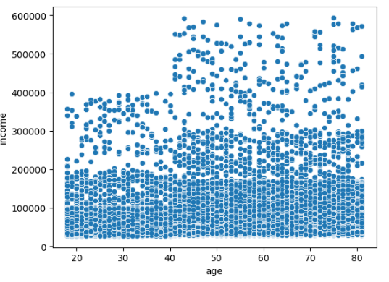

 |  |  |  |  |  |  |  | What different classifications does the demographic information suggest? Age? Income? Certain types of goods? Family status? What differences can you find in ordering habits of different customer profiles? Consider the price of orders, the frequency of orders, the products customers are ordering, and anything else you can think of.

 |  |  |  |  |  |  |  | I believe this information suggests that our older, more established, and higher-earning customers are the demographic that is driving sales with Instacart. This trend can be seen in all 4 of the regions we reviewed.

7. Recommendations
 |  |  | Title page

Recommendations

In this tab you should include any recommendations you would made to Instcart in terms of their marketing strategy based on the questions posed in the brief. Every key question has been covered in the Tasks of the Exercises - here you need to add an item - a visualisation or table/crosstable that is showing the answer in the data, acompanied by a comment from you. Please, list the questions below and add the answer underneath.

 | Question | Answer
Key Question 1 | The sales team needs to know what the busiest days of the week and hours of the day are (i.e., the days and times with the most orders) in order to schedule ads at times when there are fewer orders. | It's evident that Monday and Tuesday emerge as the busiest days for order placements. Following closely behind are Saturday and Sunday, which also witness a substantial influx of orders. Regarding peak hours, the period from midnight until 3 am experiences a surge in orders. Additionally, the time frame from 9 am to 10 pm remains consistently busy throughout the week. This insight will aid the sales team in strategically scheduling ads during periods of lower order activity, optimizing their impact.
Key Question 2 | They also want to know whether there are particular times of the day when people spend the most money, as this might inform the type of products they advertise at these times | A noteworthy observation is a significant spike in spending from midnight to 2 am. This surge is indicative of the late-night snack or bar crowd placing orders during these hours. To optimize advertising strategies during this peak spending period, it's recommended to target products like snack foods and related items. Given the already high sales during this timeframe, focusing on these products can potentially yield enhanced results and cater to the preferences of the late-night consumer demographic.
Key Question 3 | Are there certain types of products that are more popular than others? The marketing and sales teams want to know which departments have the highest frequency of product orders. | The top-performing departments are predominantly in the consumable goods category, including food and beverages. These departments considerably outperform all others below them. Notably, the sales of Dairy/Eggs stand out, surpassing the combined sales of the 2nd and 3rd place categories. This highlights a substantial preference for consumable products among users. For effective marketing and sales strategies, a focus on these high-performing consumable goods is recommended.
Key Question 4 (multiple questions within this one) | What’s the distribution among users in regards to their brand loyalty (i.e., how often do they return to Instacart)? | Instacart leans significantly on its 'Regular' and 'Loyal' customer base. These segments of users play a pivotal role in the platform's consistent engagement and are vital for sustaining and growing Instacart's customer base over time. Understanding and fostering relationships with these loyal customers is key for maintaining a robust and dependable user base for Instacart.
 | Are there differences in ordering habits based on a customer’s loyalty status? | It appears that there are no discernible differences in ordering habits based on a customer's loyalty status. The top-performing departments, identified earlier, exhibit an even distribution among the customer base, regardless of loyalty status. This suggests a consistent and widespread preference for certain product categories across all customer segments. The similarity in ordering habits emphasizes the broad appeal of these departments, indicating that customer loyalty status may not significantly impact the choice of products ordered.
 | Are there differences in ordering habits based on a customer’s region? | There are no substantial differences in ordering habits based on a customer's region. The breakdowns exhibit a remarkable similarity among the four regions, suggesting a consistent pattern of preferences across geographical areas.
 | Is there a connection between age and family status in terms of ordering habits? | Yes, there is a connection. The breakdown of spending remains relatively consistent across the demographics chart, with notable increases in volume observed with age limits. This suggests that while the distribution of spending habits may not vary significantly based on family status, there is a discernible trend of increased order volume as customers belong to older age groups. This insight can be valuable for tailoring marketing and promotional strategies to different age segments, considering the observed patterns in order behavior.
 | What different classifications does the demographic information suggest? Age? Income? Certain types of goods? Family status? | The demographic information suggests that the driving force behind sales on Instacart is the older, more established, and higher-earning customer segment. This trend holds true across all four regions under review. It indicates that this particular demographic plays a significant role in shaping purchasing patterns and driving overall sales for Instacart. Understanding and catering to the preferences of this demographic can be crucial for crafting targeted marketing strategies and enhancing the overall customer experience.

